Sheet1
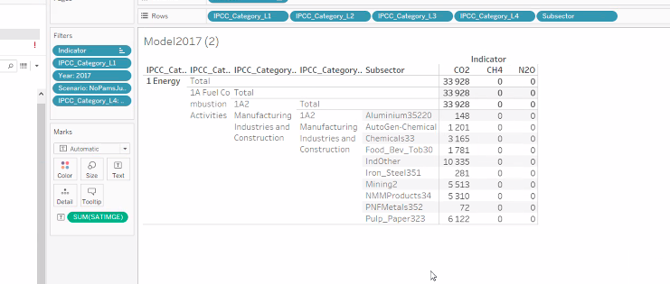

 |  |  |  | this | and this
1A2 | a | Iron and Steel | 1A2a Iron and Steel | Iron_Steel351
1A2 | b | Non-Ferrous Metals | 1A2b Non-Ferrous Metals | PNFMetals352 | Aluminium35220
1A2 | c | Chemicals | 1A2c Chemicals | Chemicals33 | AutoGen-Chemical
1A2 | d | Pulp, Paper and Print | 1A2d Pulp, Paper and Print | Pulp_Paper323
1A2 | e | Food Processing, Beverages and Tobacco | 1A2e Food Processing, Beverages and Tobacco | Food_Bev_Tob33
1A2 | f | Non-Metallic Minerals | 1A2f Non-Metallic Minerals | NMMProducts34
1A2 | i | Mining | 1A2i Mining | Mining2
1A2 | m | Non-specified Industry | 1A2m Non-specified Industry | IndOther

